Sheet1
Issues found during testing UI Package V1.1.14 // ECLIPSE- EasyTouch

No. | Issue | Descriptiom | Desired Solution | Attachments | Responsible | Comments
1 | Heating Error | Random heating error shows up on the screen, heater doesn't stop | find out the root cause of that random heating error to resolve that issue |  | Elreha
2 | Convection mode doesn't start with timer when cover is down. | when Pan temperature is set , then time is set and then convection mode button is pressed while the cover is fully closed. The unit doesn't go to Convection mode when play button is pressed but goes to Pan mode | this is should be convection mode with a timer as specified in the Flowchart. | 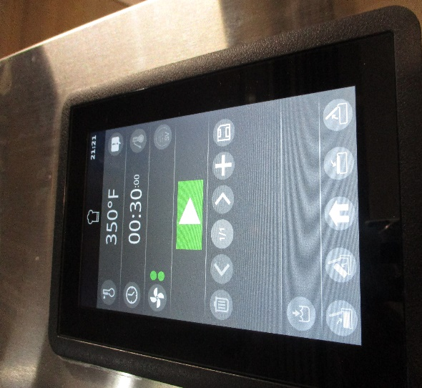 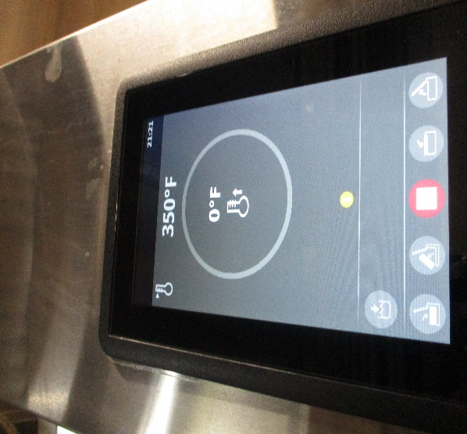 | Elreha
3 | Cover Error | Random Cover error showing up on the screen | find out the root cause of that random cover error to resolve that issue | 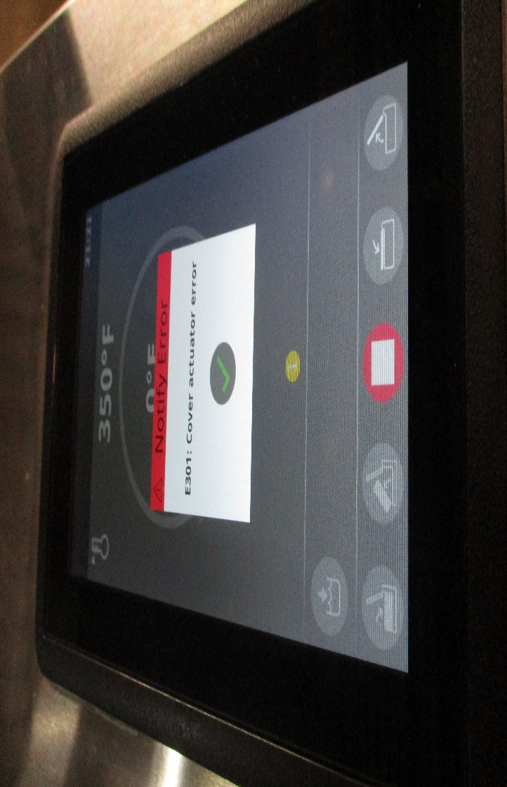 | Elreha/Mohsen | Mohsen and Jameel to verify Limit switch; monitor via modbus monitoring tool
4 | Jacket Probe error reading (always reading zero) | Jacket Probe error reading zero and not changing when Pan mode is on and plate is hot and heater is running | Find out the root cause of this and make sure the jacket probe is displaying the temperatures and not showing zero | 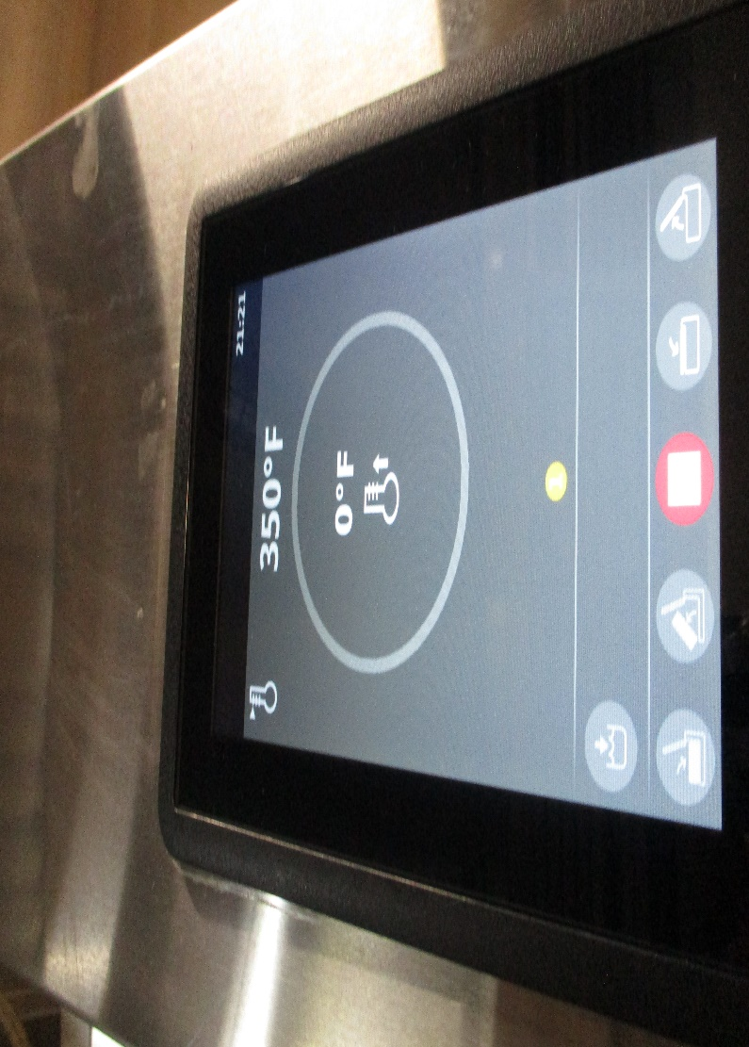 | Elreha | Look at the Modbus temperature; register 1/ Perform test with Lid open and closed.
5 | Water Dispenser Error | Water Dispenser error random coming in when water is being filled In the pan | Find out the root cause of this error and how to mitigate it |  | Elreha
6 | Water meter counter doesn't count down. | water counter doesn’t count down when water is being filled to the pan, user don't know if he is almost finished filling water or not | Add the counting down visual when water is being poured out in the pan, to have the unit more interactive with the user. |  | Elreha | Check if Modbus has a count down register. Check if we want to add water from home screen before adding any ingredients.
 |  |  |  |  |  |  | .

